Defect report
Bug ID | ModuleName | Build No | Description | TCID | Steps to replicate bug | Screenshot | Severity | Priority | Reported By | Assigned to | Resolution | Status | Fixed Date
SPP-1 | Profile | 1 | Username Textbox in Personal detail section of My Account feature having no data does not notify of absence of data error after clicking on "Save changes" button | TC_16 | 1)Click Profile feature 2)Click on Myaccount 3) Navigate to personal detail section 4)Click on edit profile button 5)Leave the username textbox with no data 6)Click on Save changes button | 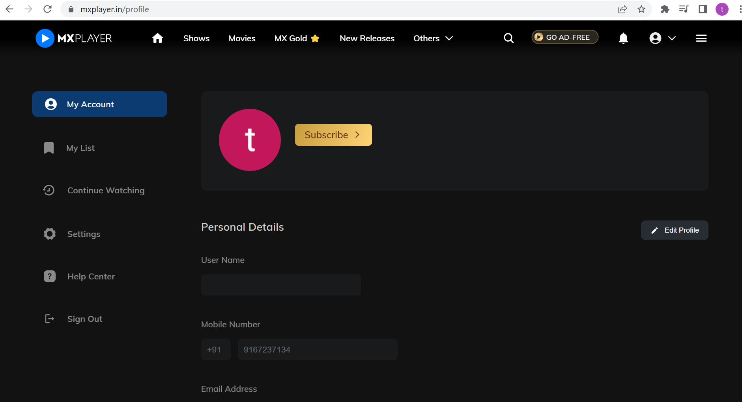 | Medium | Medium | Tushar Sharma
SPP-2 | Profile | 2 | Date of birth Textbox in Personal detail section of My Account feature after entering invalid dates does not notify of wrong data error after clicking on "Save changes" button | TC_17 | 1)Click Profile feature 2)Click on Myaccount 3)Click on Edit profile button 4) Enter invalid dates in date of birth textbox 5)Click on Save changes button | 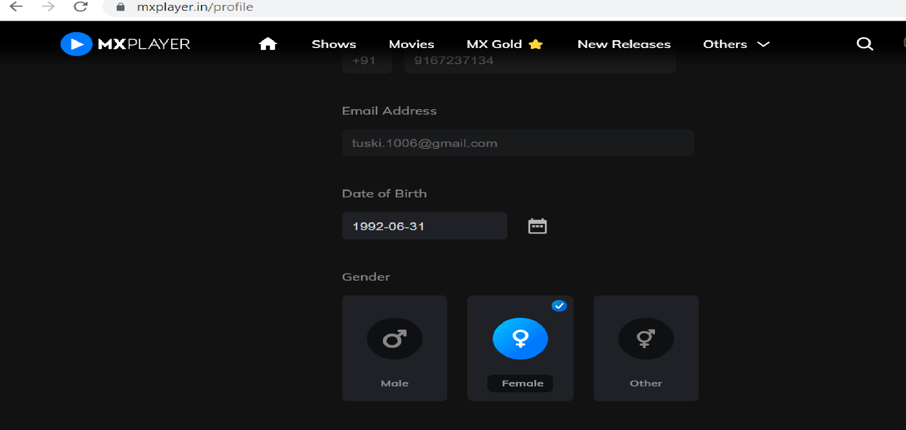 | Medium | Medium | Tushar Sharma

